About
FoPITY Fraction of Policy Implemented This Year

Source: |  | Shape of COVID-impacted GDP recovery - India |  |  |  | Shape of COVID-impacted GDP recovery - Global
 |  | RaboResearch - Hugo Erken |  |  |  | Harvard Business Review
 |  | Apr-20 |  |  |  | Mar-20
 |  | India: Extended lockdown causes further economic distress |  |  |  | What Coronavirus Could Mean for the Global Economy
 |  | https://economics.rabobank.com/publications/2020/april/india-extended-lockdown-causes-further-economic-distress/ |  |  |  | https://hbr.org/2020/03/what-coronavirus-could-mean-for-the-global-economy
 |  | Figure 2 |  |  |  | Figure 2: 'Prior Pandemics Were all V-Shaped'

 |  | Reserve Bank of India (via Economic Times) |  |  |  | Estimates for BAU GDP, Alt GDP and GDP Impact
 |  | Apr-20 |  |  |  | See variable ctrl-settings/GDPGR
 |  | RBI Governor expects V-shaped recovery for India in 2021-22
 |  | https://economictimes.indiatimes.com/news/economy/indicators/rbi-governor-hopes-india-will-stage-sharp-v-shaped-recovery-in-2021-22/articleshow/75196698.cms

 |  | Goldman Sachs (via LiveMint)
 |  | May-20
 |  | India’s GDP to shrink 45% in Q1FY21: Goldman Sachs
 |  | https://www.livemint.com/news/india/indian-economy-may-contract-by-45-in-june-quarter-goldman-sachs-11589728732340.html
 | Other values intended to be user-specified, with no source needed.

Notes:
In the Vensim model, the user may set each policy lever to a particular setting.
That setting corresponds to a value of "1" (full implementation at the user's
setting) in this spreadsheet. You may control the timing and rate of policy
implementation by altering the values on the "Set Schedules Here" tab.

All implementation percentages should be between "0" and "1" (inclusive).
Years 2018 and 2050 must be specified. Other years are optional. The model
interpolates linearly between those years that are specified.

Boolean policies (those that can be only on or off, such as appliance labeling)
cannot be set to an intermeciate value (all values above zero will be treated
as "1"), but you can schedule them to turn on and off in various years.
For example, you could schedule the appliance labeling policy to only
operate in years 2021-2028 by setting the following schedule:
2018 | 2020 | 2021 | 2028 | 2029 | 2050
0 | 0 | 1 | 1 | 0 | 0

Creating Multiple Schedules
Often, it is desirable to have different policy implementation schedules
for different scenarios. In order to do this:
1. Make a copy of this Excel file, in the same folder as the original
2. Update the filename by incrementing the number and changing the
 | description. For example, if the file you copied was named
 | Frac of Pol Impl This Yr - 1 - Default.xlsx
 | then you might change the name to
 | Frac of Pol Impl This Yr - 2 - My Scenario.xlsx
3. Open the new Excel file and increment the number in the names of
 | the two blue tabs. In our example, they would read
 | FoPITY-2
 | FoPITY-2-WebApp
4. Alter the policy schedule as desired. Save the Excel file.
5. Export .csv versions of the blue tabs, naming the files with the
 | blue tab names, as normal.
6. If the new scenario will be used as a reference scenario in the web
 | app, update the info on the "ReferenceScenarios" tab of
 | WebAppData.xlsx to reflect the new scenario and schedule.

Schedules for Non-R&D and R&D Policies
By default, most non-R&D policies either are scheduled to be fully implemented
in the second year of the model run and to remain implemented through the
rest of the model run, or they are scheduled to be implemented linearly,
reaching full strength in 2030 and to remain at that level through the end
of the model run. (The non-BAU Mandated Capacity Construction
policy is set to 1 in the first year, in case the user wishes to use the Mandated
Capacity Construction Schedule to specify things that actually were built in the
first model year.)

R&D policies follow a portion of an S-curve, also reaching "1" in
the end year. All three of these default patterns are examples chosen to
be reasonable, to provide guidance to the model user when setting his/her
desired implementation schedules.

Sigmoidal Curve Values for R&D Policies
L | 1.009
k | -0.27
Xo | -15
2018 | 0
2019 | 0
2020 | 0.017278149616
2021 | 0.022514259647
2022 | 0.029290297159
2023 | 0.038027081523
2024 | 0.049238920506
2025 | 0.063540116262
2026 | 0.08164168842
2027 | 0.10433105552
2028 | 0.13242566966
2029 | 0.16669171402
2030 | 0.20772320515
2031 | 0.25578757081
2032 | 0.31066151016
2033 | 0.3715012705
2034 | 0.43680325889
2035 | 0.5045
2036 | 0.57219674111
2037 | 0.6374987295
2038 | 0.69833848984
2039 | 0.75321242919
2040 | 0.80127679485
2041 | 0.84230828598
2042 | 0.87657433034
2043 | 0.90466894448
2044 | 0.92735831158
2045 | 0.94545988374
2046 | 0.95976107949
2047 | 0.97097291848
2048 | 0.97970970284
2049 | 0.98648574035
2050 | 0.99172185038

Rounding
Sometimes rounding error in Excel can cause very small values (e.g. on the order of 10^-13) where there should
be zeroes. This can greatly throw off Vensim's calculations. Therefore, we round all entered values and the
results of all calculations in this spreadsheet to the following number of decimal places:
6 | number of decimal places used for rounding

Exogenous GDP Adjustment
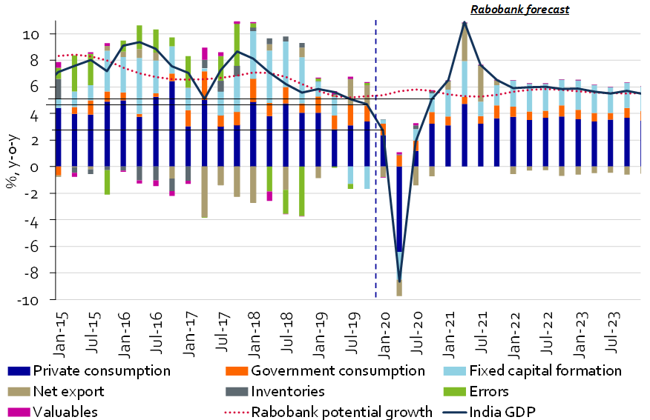
Estimating SARS-CoV-2 Pandemic Impact

Month | GDP Impact | Alt GDP | BAU GDP
Jan-20 | 0% | 5.80% | 5.80%
Apr-20 | -5.90% | -0.10%
Jan-21 | -2.95% | 2.85%
Apr-21 | 0% | 5.80%

Notes:
The popular expert opinion (as of April 2020) for base case scenarios for the shape of GDP recovery, where lockdown
restrictions are assumed to be able to contain the virus spread, is typically V-shaped.
An analysis in late-April 2020, by RaboResearch, indicates that the peak trough will be experienced in April 2020,
and more recent analysis by Goldman Sachs expects a slower recovery than before, only by Q2 2021.

Based on the above, we assume a counterfactual BAU GDP to be achievable only by Q2 2021 in the V-shaped curve.
(For BAU GDP, Avg. GDP Impact, and Alternate GDP - we use avg. of a range of estimates-See ctrl-settings/GDPGR) |  |  |  |  | Source: RaboResearch
 |  |  |  |  | https://economics.rabobank.com/publications/2020/april/india-extended-lockdown-causes-further-economic-distress/

Year | GDP Impact | Impact Relative to 2020 |  | Fraction of Impact Carried to Following Year
2020 | -5.90% | 100.00% |  | 50.0%
2021 | -2.95% | 50.00%
2022 | -1.48% | 25.00%
2023 | -0.74% | 12.50%
2024 | -0.37% | 6.25%
2025 | -0.18% | 3.13%
2026 | -0.09% | 1.56%
2027 | -0.05% | 0.78%
2028 | -0.02% | 0.39%
2029 | -0.01% | 0.20%
2030 | -0.01% | 0.10%
2031 | 0.00% | 0.05%
2032 | -1.4404296875E-05 | 0.000244140625
2033 | -7.2021484375E-06 | 0.0001220703125
2034 | -3.6010742187E-06 | 6.103515625E-05
2035 | -1.8005371094E-06 | 3.0517578125E-05

